Hierarchy
main_window

frame_container

controls_frame_container
tree_frame_container

button_frame_container

tree_scroll_container
tree_container

button_create_container
button_update_container
button_delete_container
button_clear_boxes

edit_frame_container

label_container_id
label_container_weight
label_container_destination
label_container_weather

entry_container_weight
entry_container_destination
entry_container_weather
entry_container_id

Frames
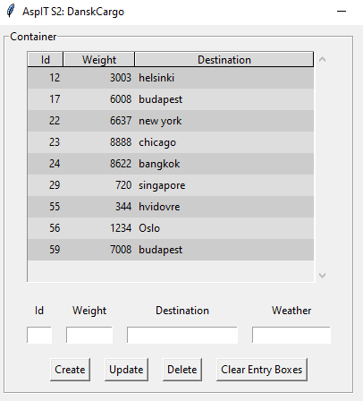
main_window

frame_container

tree_frame_container

edit_frame_container

button_frame_container

 | controls_frame_container

